Instructions
1. Type in the text you would like to appear on a date in the cells next to the desired date on the next sheet.

2. Use the lines from the bottom to the top as you need them.

3. Be sure not to exceed the number of characters shown next to the date. Doing so will create layout errors. A count of characters used can be seen in the character count column

Examples:

Date and Line | Text | Character Count
September 17 - Line 6 (20) |  | 0
September 17 - Line 5 (20) | Happy Anniversary | 17
September 17 - Line 4 (20) | Anne and Dav | 12
September 17 - Line 3 (30) |  | 0
September 17 - Line 2 (30) | Happy Birthday | 14
September 17 - Line 1 (30) | Rabbi Menachem Shliach | 22

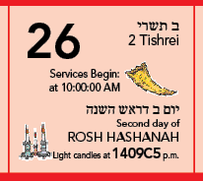
Date and Line | Text | Character Count
September 26 - Line 6 (10) | Services Begin: | 15
September 26 - Line 5 (10) | at 10:00:00 AM | 14

